PACKAGING
PICTURE | NAME | DESCRIPTION | USAGE | SKU | BARECODE | TSL | STOCK OH | TRANSIT | ALERTES
 | RIBBON RUBAN GUCCI | RIBBON H15 300M | RIBBON H15 mm | 8142843294 | *8142843294* | 10 | 4 | 6 | 0
 | STICKERS GUCCI | STICKER 3ROLLS | label SMALL - 42x18 mm | 8141936132 | *8141936132* | 10 | 5 | 0 | -5
 | WRITING CARDS GUCCI | WR.CARD+ENV500PC | Writing Card - 175x120 mm with envelope | 8141936167 | *8141936167* | 4 | 9 | 0 | 5
 | FOLDER GIFT CARD | DEMGBF 50PCS | Folder Gift Card | 8142844274 | *8142844274* | 2 | 0 | 0 | -2
 | RECEIPT FOLDERS ENVELOPPE A RECUS | REC.FOLDER 500PC | Receipt folder - 125x98 mm | 8141936141 | *8141936141* | 2 | 2 | 1 | 1
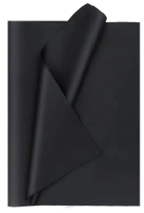 | TISSUE PAPER PAPIER DE SOIE GUCCI | TPS 500SHEETS | tissue paper SMALL - 50x70 mm | 8142865361 | *8142865361* | 8 | 12 | 0 | 4
 |  | TPL 500SHEETS | tissue paper LARGE - 70x100 mm | 8142865352 | *8142865352* | 8 | 6 | 0 | -2
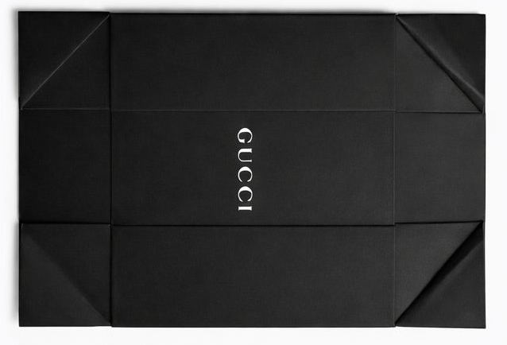 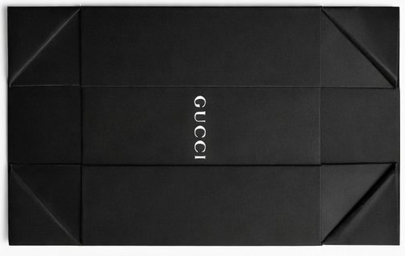 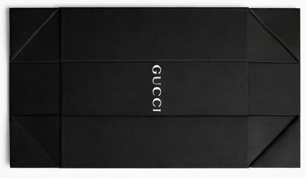 | 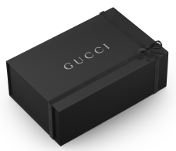 FOLDING BOXES BOITES A MOTER GUCCI | FB0XS 20PCS BELTS | folding box for BELTS - 180x180x70 mm | 8141935829 | *8141935829* | 5 | 0 | 4 | -1
 |  | FB0 10PCS | folding box MINI - 210x250x110 mm | 8141935837 | *8141935837* | 5 | 0 | 0 | -5
 |  | FB1 10PCS | folding box SMALL 270x350x120 mm | 8141935845 | *8141935845* | 10 | 0 | 0 | -10
 |  | FB2 10PCS | folding box MEDIUM - 270x350x170 mm | 8141935853 | *8141935853* | 5 | 0 | 9 | 4
 |  | FB3 10PCS | folding box LARGE - 370x450x150 mm | 8141935861 | *8141935861* | 5 | 0 | 13 | 8
 |  | FB4 10PCS | folding box EXTRA LARGE - 560x460x27,5 mm | 8141935870 | *8141935870* | 1 | 0 | 0 | -1
 |  | FB5 10PCS | folding box EXTRA LARGE | 8141935888 | *8141935888* | 1 | 0 | 0 | -1
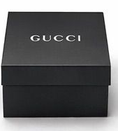 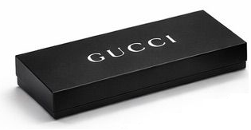 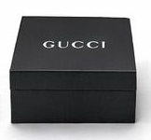 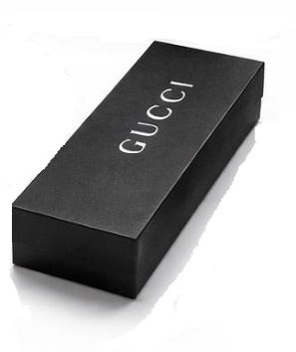 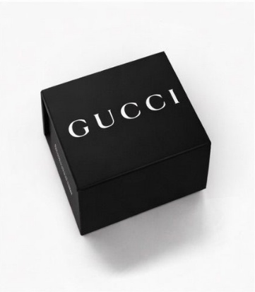 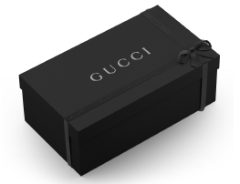 | RIGIDS BOXES BOITES RIGIDE GUCCI | RB1 10PCS | rigid box BOW TIE/FINGERLESS GLOVES - 105x150x30 mm with tissue paper inside | 8141935896 | *8141935896* | 3 | 0 | 1 | -2
 |  | RB2 10PCS | rigid box FOULARD/BANDANA - 240x240x18 mm with tissue paper inside | 8141935900 | *8141935900* | 3 | 0 | 1 | -2
 |  | RB3 10PCS | rigid box SILK/HAT - 250x20x40 mm with tissue paper inside | 8142844266 | *8142844266* | 6 | 4 | 1 | -1
 |  | RB4 10PCS | rigid box HEADBAND/SOCKS/TIGHTS/GLOVES - 140x260x55 mm with tissue paper inside | 8141935918 | *8141935918* | 6 | 6 | 0 | 0
 |  | RB5 10PCS | rigid box SILK/GLOVES/SCARF/SOCKS - 150x320x50mm with tissue paper inside | 8141935926 | *8141935926* | 6 | 8 | 0 | 2
 |  | RB7 10PCS | rigid box TSHIRT/SHIRT/PULL/SHAWL - 300x400x45 mm with tissue paper inside | 8141935934 | *8141935934* | 4 | 3 | 0 | -1
 |  | RB9 10PCS | TIES | 8141936043 | *8141936043* | 1 | 0 | 0 | -1
 |  | RB10 10PCS | POCHETTE | 8141936051 | *8141936051* | 1 | 0 | 0 | -1
 |  | RB11 10PCS | LONG GLOVES/CUMMERBUND | 8141936060 | *8141936060* | 1 | 0 | 1 | 0
  | SHOPPING BAGS SACS DE COURSES GUCCI | SB0XS 50PCS | shopping bag 110x170x60 mm - visible lenght of each handle 320 mm | 8141936183 | *8141936183* | 5 | 5 | 0 | 0
 |  | SB0L 50PCS | shopping bag 190x290x110 mm - visible lenght of each handle 320 mm | 8141936078 | *8141936078* | 5 | 0 | 9 | 4
 |  | SB1 50PCS | shopping bag 260x350x140 mm - visible lenght of each handle 320 mm | 8141936086 | *8141936086* | 10 | 0 | 26 | 16
 |  | SB2 50PCS | shopping bag 480x360x80 mm - visible lenght of each handle 650 mm | 8141936094 | *8141936094* | 2 | 0 | 0 | -2
 |  | SB2L 50PCS | shopping bag 480x360x170 mm - visible lenght of each handle 650 mm | 8141936108 | *8141936108* | 10 | 0 | 36 | 26
 |  | SB3 50PCS | shopping bag - 580x430x200 mm visible lenght of each handle 650 mm | 8141936116 | *8141936116* | 8 | 2 | 6 | 0
 |  | SB4 20PCS | shopping bag 750x570x250 mm - visible lenght of each handle 780 mm | 8141936124 | *8141936124* | 3 | 1 | 2 | 0
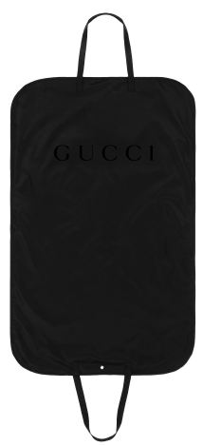 | GARMENT COVER HOUSSES PAP GUCCI | GB1 25PCS | GB1 - for men's/women's coat /dresses / trousers | 8141906276 | *8141906276* | 4 | 0 | 11 | 7
 |  | GB2 25PCS | GB2 - for blazer/jacket/skirts/shorts | 8141906284 | *8141906284* | 4 | 0 | 9 | 5
 |  | GB3 25PCS |  | 8141906292 | *8141906292* | 2 | 1 | 1 | 0
 |  | GB4 25PCS |  | 8141906306 | *8141906306* | 1 | 1 | 0 | 0
 | FASHION SILVER PACAKGING | DEM SF BOX1 PAD1 10P | Rings, multifinger rings, mono earrings | 8142945275 | *8142945275* | 4 | 5 | 0 | 1
 |  | DEM SF BOX1 PAD2 10P | Small earrings | 8142945283 | *8142945283* | 2 | 3 | 0 | 1
 |  | DEM SF BOX1 PAD3 10P | Small bracelet | 8142945291 | *8142945291* | 2 | 3 | 0 | 1
 |  | DEM SF BOX2 PAD1 2P | Medium rings, mono earring, rigid bracelet | 8142945305 | *8142945305* | 3 | 4 | 0 | 1
 |  | DEM SF BOX2 PAD3 10P | Small necklaces | 8142945321 | *8142945321* | 3 | 3 | 0 | 0
 |  | DEM SF BOX2 PAD4 5P | Long earrings | 8142945348 | *8142945348* | 3 | 4 | 0 | 1
 |  | DEM SF BOX3 PAD1 2P | Hairbands | 8142945381 | *8142945381* | 3 | 4 | 0 | 1
 |  | DEM SF BOX3 PAD2 2P | Necklaces | 8142945399 | *8142945399* | 4 | 5 | 0 | 1
 |  | DEM SF BOX3 PAD3 2P | Necklaces | 8142945372 | *8142945372* | 4 | 6 | 0 | 2
 |  | DEM SF BOX3 PAD4 2P | Necklaces | 8142945356 | *8142945356* | 4 | 4 | 0 | 0
 |  | DEM SF BOX4 2P | Bracelet | 8142945402 | *8142945402* | 3 | 2 | 0 | -1
 |  | DEM SF BOX5 5P | Rigid bracelet | 8142945330 | *8142945330* | 3 | 4 | 0 | 1
 |  | DEM SF BOX6 2P | Hairbands | 8142945364 | *8142945364* | 3 | 4 | 0 | 1
 | FINE PACKAGING | DEM FINE BOX1 PD1 5P | Small rings | 8142938864 | *8142938864* | 2 | 6 | 0 | 4
 |  | DEM FINE BOX1 PD3 5P | Ring thicker and larger | 8142938911 | *8142938911* | 2 | 0 | 2 | 0
 |  | DEM FINE BOX1 PD5 5P | small earrings | 8142938937 | *8142938937* | 2 | 0 | 2 | 0
 |  | DEM FINE BOX1 PD6 2P | mono earring | 8142938953 | *8142938953* | 1 | 0 | 1 | 0
 |  | DEM FINE BOX2 PD2 1P | cufflinks | 8142938996 | *8142938996* | 1 | 1 | 0 | 0
 |  | DEM FINE BOX4 PD1 5P | soft bracelet | 8142939003 | *8142939003* | 2 | 2 | 0 | 0
 |  | DEM FINE BOX5 PD1 2P | necklaces | 8142939011 | *8142939011* | 4 | 8 | 0 | 4
 |  | DEM FINE BOX6 PD1 2P | medium earrings | 8142939046 | *8142939046* | 3 | 6 | 0 | 3
 |  | DEM FINE BOX6 PD2 5P | small necklaces | 8142939020 | *8142939020* | 2 | 2 | 0 | 0
 | WATCHES |  | Watch box | 8142938775 | *8142938775* | 20 | 13 | 7 | 0
 | TAGS FOR RTW ETIQUETTES PAP | HANG TAG 150PCS | DEMHANG TAG 150PCS | 8142844282 | *8142844282* | 1 | 1 | 0 | 0
 | RAIN COVER | GRC0 100PCS | rain cover bag - ties | 8096492716 | *8096492716* | 1 | 0 | 0 | -1
 |  | GRC0L 200PCS | rain cover bag 190x290x110 mm - visible lenght of each handle 320 mm | 8096492732 | *8096492732* | 1 | 0 | 1 | 0
 |  | GRC1 100PCS | rain cover bag 480x360x80 mm - visible lenght of each handle 650 mm | 8096492741 | *8096492741* | 2 | 0 | 0 | -2
 |  | GRC2 100PCS | rain cover 480x360x170 mm - visible lenght of each handle 650 mm | 8096492759 | *8096492759* | 2 | 0 | 0 | -2
 |  | GRC3 100PCS | rain cover bag - 580x430x200 mm visible lenght of each handle 650 mm | 8096492767 | *8096492767* | 2 | 0 | 0 | -2
 |  | GRC4 50PCS | rain cover 750x570x250 mm - visible lenght of each handle 780 mm | 8096492775 | *8096492775* | 1 | 0 | 1 | 0
 | SUNGL BOXES BOITES A LUNETTES GUCCI | SUNGL | Livraison |  | ** | 0 | 0 | 0 | 0
 |  | SUNGL | Livraison |  | ** | 0 | 0 | 0 | 0
 |  | SUNGL | Livraison |  | ** | 0 | 0 | 0 | 0
 | DUST BAG FLANNELLE | BELTS | Non Merchandising |  | ** | 0 | 0 | 0 | 0
 |  | HANDBAGS | Non Merchandising |  | ** | 0 | 0 | 0 | 0
 |  | TRAVEL | Non Merchandising |  | ** | 0 | 0 | 0 | 0

